Vendor Info
Request for Proposal: Support Services for Microsoft Technologies Vendor Information | US Cloud | Microsoft | Vendor 2
Vendor Company Name: | US Cloud LC
Company HQ Address: | 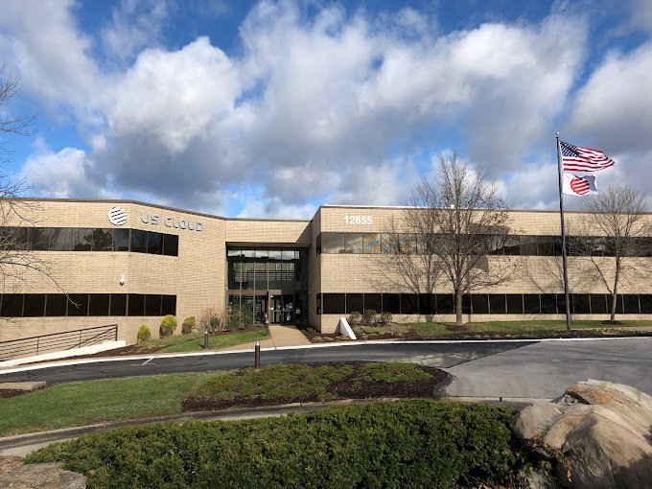 12855 Flushing Meadow Dr, St. Louis, MO 63631
Company Main Phone: | (800) 200-8440
Company Main Email: | marketing@uscloud.com
Company Website: | www.uscloud.com

Primary Contact:
Name: | Robert Perez
Title | Chief Revenue Officer
eMail: | robert.perez@uscloud.com
Direct Phone: | 314-607-1773

Years in Business: | 21
Years of providing Microsoft support: | 18
Percent of Revenue from requested services (Microsoft Support, not project or development work): | 100% US Cloud is the world's ONLY Microsoft Support specialist. It is all we do and we are the #1 Microsoft Unified and Premier Support alternative globally.
Location(s) of Operations & Engineering staff | US Cloud's headquarters are located in St. Louis Missouri. 100% of our employees are US citizens and are based in the continental United States. Approx. 40% of our staff work from our St. Louis campus, with the remaining engineers based in 18 different states across all US time zones.
Company Operations Structure / Model (e.g. Percent engineers outsourced, offshored, on-call or dedicated, etc.): | US Cloud designed our Microsoft Support service from the ground up, utilizing all USA-based integrated cross-technology teams, including senior TAM's. We believe this structure allows for a more holistic (and faster) approach vs. Microsoft's siloed and fractured support structure, much of which is offshored. US Cloud DOES NOT use offshore resources, but our clients do have access to our proprietary Microsoft Partner Network for ticket escalation if necessary and for deep expertise in specific Microsoft technologies. Any partner engineering resources used as part of US Cloud's service (less than 5% of engineering hours) are also 100% US-based. Upon request, US Cloud can employ integrated Microsoft Partner resources based in Canada, UK, EU, and Australia.
Company Ownership (Woman / Minority-owned) | US Cloud is a qualified Woman-Owned Business. 100% of ownership equity is held by working officers involved in the day-to-day operations of US Cloud. This tight leadership structure is another way US Cloud is able to streamline decision-making, increase operational speed and efficiency, and contain costs.

